Sample Profile I
Product Profile
Product Image

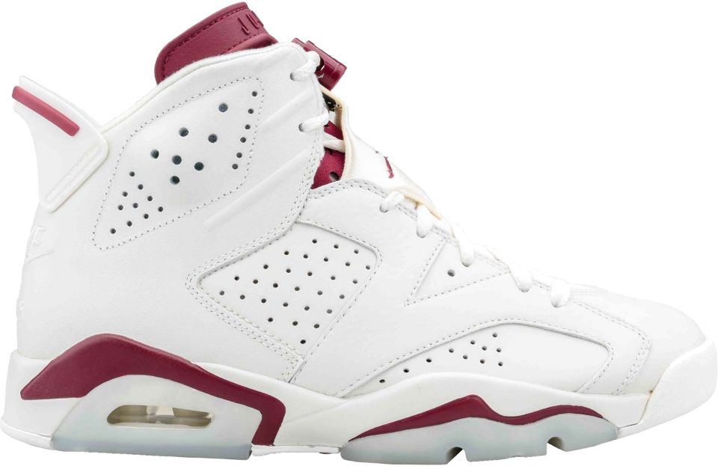 Find the image of the product on the internet and place it here
Product Image URL
image link

Product Pricing Information |  |  | Basic Product Information
Retail Price | $190.00 |  | Product Name | Air Jordan Retro 6
Wholesale Price (cost to us) | $95.00 |  | Product Number | BK-AJ6-RD
Net Profit (auto calculated) | $95.00 |  | Sizes | 7.5- 15
Product Description (to be used for catalog and web site) |  |  | Product Features
Did you know Michael Jordan holds six NBA championship rings? Of course you did. Did you know he was wearing the Air Jordan 6 when he led the Chicago Bulls to his first championship win? Designed by Jordan brand mastermind, Tinker Hatfield, and released in 1990, this sports car-inspired basketball shoe was also present when MJ won his fifth NBA scoring title. They followed on the heels of the Air Jordan 5 with that iconic icy sole but it was the first J with a reinforced toe cap and per Jordan's request, was extremely easy to pull on and off via two holes in the tongue and a modified heel tab. |  |  | Upper Shoe - Leather
 |  |  | Sole - Translucent Rubber
 |  |  | Imported
 |  |  | Color - White, Gym Red and Pure Platinum

Product Variations
Variation | Product Number | Image URL
Black/Black/White | BK-AJ6-BK | http://images.finishline.com/is/image/FinishLine/907961_015?$Main$

Specifications |  |  | What comes in box
N/A |  |  | Shoes
 |  |  | Extra laces (one set)

Sample Profile II
Product Profile
Product Image

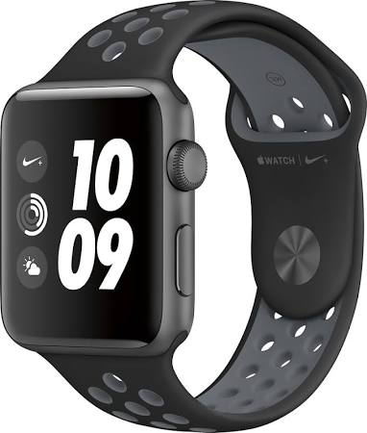
Product Image URL
https://www.shoepalace.com/product/images/960x/384664-116_01.jpg

Product Pricing Information |  |  | Basic Product Information
Retail Price | $399.00 |  | Product Name | Apple Watch Nike Series 2
Wholesale Price (cost to us) | $300.00 |  | Product Number | AWNS2-SGA
Net Profit (auto calculated) | $99.00
Product Description (to be used for catalog and web site) |  |  | Product Features
Motivation in motion. Pure and simple fun. Apple Watch Nike+ is the latest in a long-running partnership between two of the worlds most innovative brands. From cutting-edge comfort to the way it connects you to your running buddies through the Nike+ Run Club, it’s your perfect running partner-on your wrist. |  |  | Aluminum case with Nike band and exclusive Nike watch face. Water resistant to 50 meters. Comes in 38 and 42 mm cases
 |  |  | Network Features: Built-in GPS, Wi-Fi (802.11) Bluetooth 4.0, dual core porocessor
 |  |  | Heart rate sensor, Gyroscope, retinal display, Ion-X glass
 |  |  | Builtin in rechargeable lithium battery- up to 18 hours on one charge. Ambient light senor

Product Variations
Variation | Product Number | Image URL
Space Grey/Black/Cool Grey Band | AWNS2-SGBC-38 | image link
Space Grey/Black/Volt Band | AWNS2-SGBV-38 | image link
Silver Aluminum/Black Volt band | AWNS2-SABV-38 | image link

Specifications |  |  | What comes in box
Maximum Usage Time18 hours Operating System Compatibility: Apple iOS Touch Screen Touch-screen devices make navigating more intuitive. Using a touch-screen display, you can do things such as tap to select, hold and drag to move items, swipe to scroll, and pinch to zoom.Yes Water Resistant Rated for resistance to water.Yes Operating System The operating system manages all software and hardware, including files, memory and connected devices. Most importantly, it lets you interact with your device and your programs in a visual way; otherwise, you'd be typing computer code to get anything done.watchOS Body Metrics MeasuredHeart rate Screen Size42 millimeters Series Part of a group of the same product type with similar features.Series 2 |  |  | Apple Watch
 |  |  | 1m Magnetic charging cable
 |  |  | 5W USB Power adapter
 |  |  | Nike Sport Band (S/M or M/L lengths)
 |  |  | Silver Aluminum case

 |  |  | Warranty
 |  |  | 1 year

